Indices

 | Iraq Stock Exchange
 | Bulletin No (41)
 | ISX Trading Indices of Tuesday 3/3/2026

 | Traded Volume and OTC |  | 1,248,277,373 |  | Traded Value and OTC |  | 1,877,570,628 |  | Traders | 1121
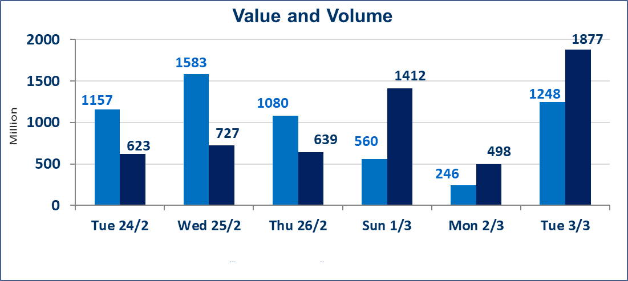
 | ISX Index 60 |  |  | 937.66 | ISX Index 15 |  |  | 1187.26
 | Previous ISX Index60 |  |  | 945.52 | Previous ISX Index15 |  |  | 1199.79
 | Change % |  |  | -0.83 | Change % |  |  | -1.04
 | Change |  |  | -7.86 | Change |  |  | -12.53

 | Listed Companies | 104 | OTC | 14 | Non Traded listed | 49 | OTC | 12
 | Traded Listed Companies | 45 | OTC | 2 | Higher Companies |  |  | 6
 | GAM Companies |  |  | 0 | Lower Companies |  |  | 24
 | Suspended Companies |  |  | 10
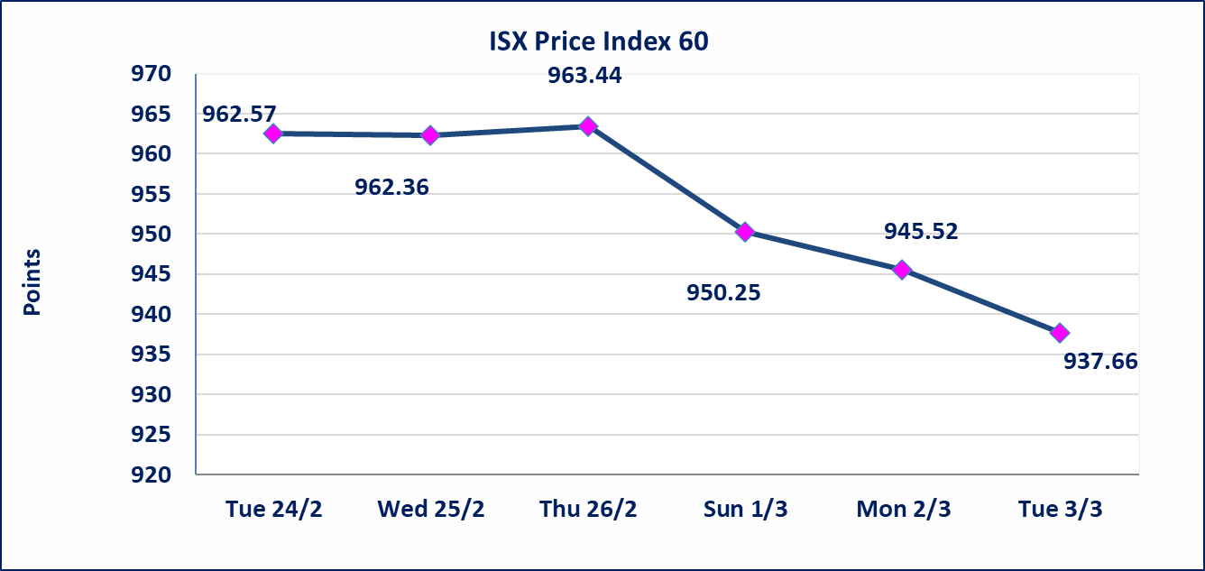
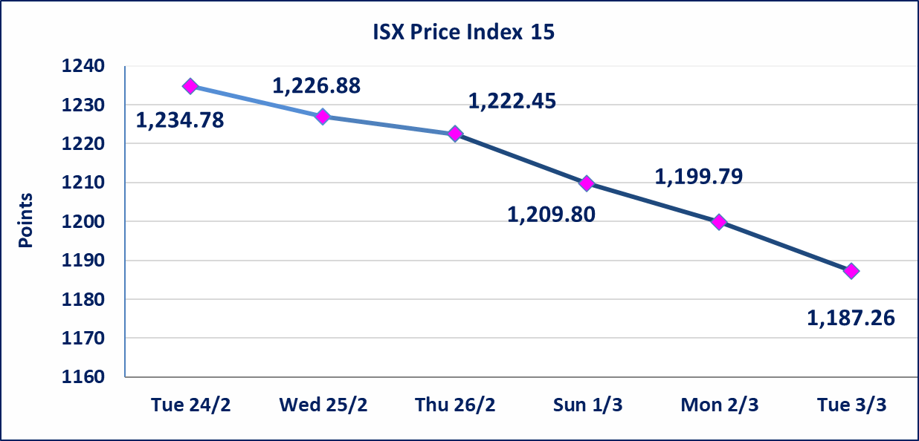

 | special orders | Elaf Brokerage Company executed a deliberate cross order on the shares of the Iraqi Deposit Guarantee Company with a number of shares (789,472,680) shares with a value of (789,472,680) billion dinars, during the additional session time (after 1 pm) in accordance with the procedures for executing large transactions.
Al-Alwiya P.O . 3607 Mobile: 07711211522 - 07270094594 - 07834000034 E-mail: info-isx@isx-iq.net Web site:www.isx-iq.net

Top 5
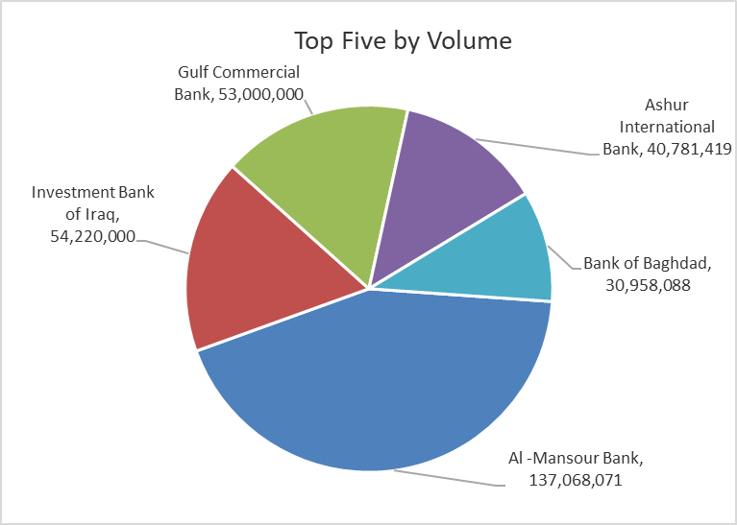
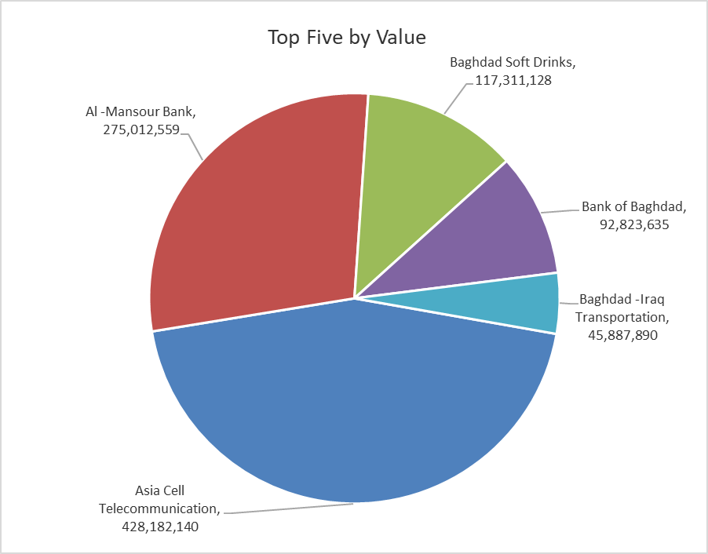

ISX top ganing and losing companies
Tuesday 3/3/2026
 | Gainers |  |  |  | Losers
 | Company Name | Closing Price | Change (%) | Traded Volume | Company Name | Closing Price | Change (%) | Traded Volume
 | Middle East Bank | 0.070 | 16.67 | 82,244 | Mansour Hotel | 47.500 | -5.00 | 11,000
 | Sumer Commercial Bank | 0.140 | 7.69 | 2,000,000 | Al -Khazer Construction Materials | 1.150 | -4.96 | 1,028,961
 | National Islamic Bank | 0.750 | 4.17 | 250,000 | The Light Industries | 1.210 | -4.72 | 6,141,463
 | Babil Animal & Vegetable Production | 6.950 | 3.73 | 137,662 | Investment Bank of Iraq | 0.210 | -4.55 | 54,220,000
 | Iraqi Islamic Bank | 0.980 | 1.03 | 1,047,413 | Modern Construction Materials | 1.090 | -4.39 | 10,000
 | The most active companies in term of traded volume and value

 | Traded Volume |  |  |  | Traded Value
 | Company Name | Closing Price | Change (%) | Traded Volume | Company Name | Closing Price | Change (%) | Traded Value
 | Al -Mansour Bank | 2.020 | 1.00 | 137,068,071 | Asia Cell Telecommunication | 14.100 | -2.29 | 428,182,140
 | Investment Bank of Iraq | 0.210 | -4.55 | 54,220,000 | Al -Mansour Bank | 2.020 | 1.00 | 275,012,559
 | Gulf Commercial Bank | 0.310 | 0.00 | 53,000,000 | Baghdad Soft Drinks | 5.640 | -1.05 | 117,311,128
 | Ashur International Bank | 0.230 | 0.00 | 40,781,419 | Bank of Baghdad | 2.970 | -1.98 | 92,823,635
 | Bank of Baghdad | 2.970 | -1.98 | 30,958,088 | Baghdad -Iraq Transportation | 21.000 | -0.99 | 45,887,890

Non Iraqi

Iraq Stock Exchange
Non Iraqis' Bulletin Thusday March 3 2026
Regular Market

Non Iraqi Trading of Regular Market (Sell)
Company Names | Code | No.of trades | Traded Shares | Trading Volume
Telecommunication Sector
Asia cell | TASC | 18 | 6,000,000 | 84,008,725
Total Telecommunication sector |  | 18 | 6,000,000 | 84,008,725
Grand Total |  | 18 | 6,000,000 | 84,008,725

Not Trading Bonds

Iraq Stock Exchange
Tuesday 3/3/2026
Not Trading Bonds Bulletin
Bond type | Publish type | Code | last trading price | immortilize date
Banaa Bonds /Million ID | Second | CB20 | 964,981 | 19/12/2025
Eamar Bonds /Million ID | First | CB30 | 1,001,095 | ــــــــــــــــ
Eamar Bonds /Million ID | Second | CB40 | ــــــــــــــــ | ــــــــــــــــ
Eamar Bonds /500 Thousand ID | Third | CB45 | ــــــــــــــــ | ــــــــــــــــ
Eamar Bonds /Million ID | Third | CB50 | ــــــــــــــــ | ــــــــــــــــ
Injaz Bonds /500 Thousand ID | First | CB55 | ــــــــــــــــ | ــــــــــــــــ
Injaz Bonds /Million ID | First | CB60 | ــــــــــــــــ | ــــــــــــــــ
Injaz Bonds /Million ID | Second | CB70 | 1,026,082 | ــــــــــــــــ
Injaz Bonds /500 Thousand ID | Third | CB75 | ــــــــــــــــ | ــــــــــــــــ
Injaz Bonds /Million ID | Third | CB80 | 978,182 | ــــــــــــــــ
National Bonds/Million ID | First | CB90 | ــــــــــــــــ | ــــــــــــــــ
National Bonds/500 Thousand ID | Second | CB95 | ــــــــــــــــ | ــــــــــــــــ
National Bonds/Million ID | Second | CB100 | ــــــــــــــــ | ــــــــــــــــ

